page 2
Confirmation List Between Ship-Shore (Berth # 1) |  |  |  |  |  |  |  |  |  |  |  |  |  |  |  |  |  |  |  |  |  |  |  |  |  |  |  |  |  |  |  |  |  |  |  |  |  |  |  |  |  | Page
 |  |  |  |  |  |  |  |  |  |  |  |  |  |  |  |  |  |  |  |  |  |  |  |  |  |  |  |  |  |  |  |  |  |  |  |  |  |  |  |  |  | 3 / 9
Items | Shore Specification |  |  |  |  |  |  |  |  |  |  |  |  |  |  |  | Ship Specification |  |  |  |  |  |  |  |  |  |  |  |  | Remarks
II. Fender / Flat Body
 |  |  |  |  |  |  |  |  |  |  |  |  |  |  |  |  |  |  |  |  |  |  |  |  |  |  |  |  |  | Table 1. Fender Reaction Force Calculation at Ballast Draft (Refer to Trelleborg report) |  |  |  |  |  |  |  |  |  |  |  | Acceptable
1. Arrangement | 1. Fender Arrangement & Details |  |  |  |  |  |  | Vapour Arm / Vapour Manifold |  |  |  |  |  |  |  | (unit : m) | 1. Flat Body |  |  |  |  |  |  |  |  |  |  |  | (unit : m) | Fender No. |  | Fender Reaction Force (ton) |  | Fender Area Contact (m²) |  | Fender Area Contact (%) |  | Actual Face Pressure (ton/m²) |  | Allowable Hull Pressure (ton/m²) |  | Remark (%)
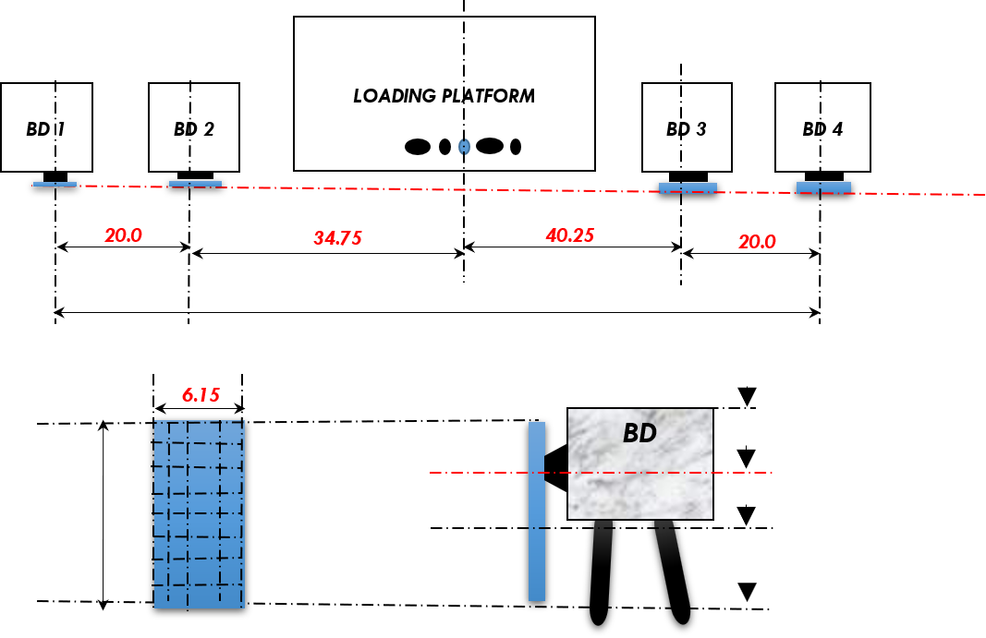
 |  |  |  |  |  |  |  |  |  |  |  |  |  |  |  |  | (1) Vapour Manifold Offset from midhip LBP/2 (Fwd = minus - /Af t= plus +) |  |  |  |  |  |  |  |  |  |  | : | m

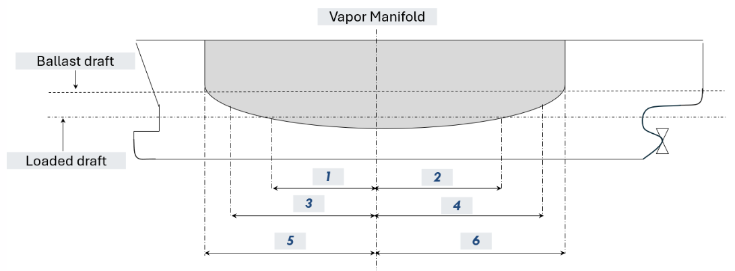
 |  |  |  |  |  |  |  |  |  |  |  |  |  |  |  |  |  |  |  |  |  |  |  |  |  |  |  |  |  | F1 |  |  |  | 44.90 |  | 100.0 |  | 0.00 |  | 0.0 |  | #DIV/0! |  | #DIV/0!
 |  |  |  |  |  |  |  |  |  |  |  |  |  |  |  |  |  |  |  |  |  |  |  |  |  |  |  |  |  | F2 |  |  |  | 44.90 |  | 100.0 |  | 0.00 |  | 0.0 |  | #DIV/0! |  | #DIV/0!
 |  |  |  |  |  |  |  |  |  |  |  |  |  |  | Fender Face |  |  |  |  |  |  |  |  |  |  |  |  |  |  | F3 |  |  |  | 44.90 |  | 100.0 |  | 0.00 |  | 0.0 |  | #DIV/0! |  | #DIV/0!
 |  |  | F1 | F2 |  |  |  |  |  |  | F3 |  | F4 |  |  |  |  |  |  |  |  |  |  |  |  |  |  |  |  | F4 |  |  |  | 44.90 |  | 100.0 |  | 0.00 |  | 0.0 |  | #DIV/0! |  | #DIV/0!
 |  |  |  |  |  |  |  |  |  |  |  |  |  |  |  |  |  |  |  |  |  |  |  |  |  |  |  |  |  | Remark : |  | Percentage of actual face pressure to allowable hull pressure
 |  |  |  |  |  |  |  |  |  |  |  |  |  |  |  |  |  |  |  |  |  |  |  |  |  |  |  |  |  |  |  | The actual face pressure shall be less than the allowable hull pressure
 |  |  | 115.0
 |  |  |  |  |  |  |  |  |  |  |  |  |  |  |  |  |  |  |  |  |  |  |  |  |  |  |  |  |  | Table 2. Fender Reaction Force Calculation at Loaded Draft (Refer to Trelleborg report) |  |  |  |  |  |  |  |  |  |  |  | Acceptable
 |  |  |  |  |  |  |  |  |  |  |  |  |  |  |  |  |  |  |  |  |  |  |  |  |  |  |  |  |  | Fender No. |  | Fender Reaction Force (ton) |  | Fender Area Contact (m²) |  | Fender Area Contact (%) |  | Actual Face Pressure (ton/m²) |  | Allowable Hull Pressure (ton/m²) |  | Remark (%)
 |  |  |  |  |  |  |  |  |  |  |  |  | Deck Level CDL(+) 8.00 m

 |  |  |  |  |  |  |  |  |  |  |  |  | CL Fender CDL(+) 6.25 m

 |  |  | 7.30 |  |  |  |  |  |  |  |  |  | HAT Level CDL(+) 3.50 m |  |  |  |  |  |  |  |  |  |  |  |  |  |  |  |  | F1 |  |  |  | 44.90 |  | 100.0 |  | 0.00 |  | 0.0 |  | #DIV/0! |  | #DIV/0!
 |  |  |  |  |  |  |  |  |  |  |  |  |  |  |  |  |  | Length of Flat Body From Vapour Manifold |  |  |  |  |  |  |  |  |  |  |  | F2 |  |  |  | 44.90 |  | 100.0 |  | 0.00 |  | 0.0 |  | #DIV/0! |  | #DIV/0!
 |  |  |  |  |  |  |  |  |  |  |  |  |  |  |  |  |  | Details |  |  |  |  |  | Fwd Part |  |  | Aft Part |  |  | F3 |  |  |  | 44.90 |  | 100.0 |  | 0.00 |  | 0.0 |  | #DIV/0! |  | #DIV/0!
 |  |  |  |  |  |  |  |  |  |  |  |  | LAT Level CDL(+) 0.50 m |  |  |  |  | Length of Ballast Draft |  |  |  |  |  | 1 |  |  | 2 |  |  | F4 |  |  |  | 44.90 |  | 100.0 |  | 0.00 |  | 0.0 |  | #DIV/0! |  | #DIV/0!
 |  |  |  |  |  |  |  |  |  |  |  |  |  |  |  |  |  | Length of Loaded Draft |  |  |  |  |  | 3 |  |  | 4 |  |  | Remark : |  | Percentage of actual face pressure to allowable hull pressure
 | (1) Fender Face Contact Area |  |  |  | : | 44.90 |  | m² | Full face contact |  |  |  |  |  |  |  |  | Length of upper deck part (for reference) |  |  |  |  |  | 5 |  |  | 6 |  |  |  |  | The actual face pressure shall be less than the allowable hull pressure

2. Fender / Contact Area design | 1. Maximum Design (Fender) |  |  |  |  |  |  |  |  |  |  |  |  |  |  |  | 1. Maximum Fender Contact Pressure
 | (1) Face Pressure |  |  |  |  | : | 150.0 |  | kN/m² | or | 15.3 |  | ton/m² |  |  |  | (1) Allowable Hull Pressure |  |  |  |  | : |  | ton/m² | (Refer to PIANC 2002, page 25)
 | (2) Reaction Force |  |  |  |  | : | 5,000.8 |  | kN | or | 509.8 |  | tons force |  |  |  | (2) Calculation Result |  |  |  |  | : | Refer to Table 1 & 2 on the right column
 | (3) Reaction Force Limit (+10%) |  |  |  |  | : | 5,503.2 |  | kN | or | 561.0 |  | tons force
 | (4) Energy Absorption |  |  |  |  | : | 5,489.4 |  | kNm | or | 617.0 |  | tons-m
 | (5) Energy Absorption Limit (-10%) |  |  |  |  | : | 4,940.5 |  | kNm | or | 555.4 |  | tons-m
 | (6) Fender Type |  |  |  |  | : | SCK 2500 E2.9 |  | rectangular shape

 |  |  |  |  |  |  |  |  |  |  |  |  |  |  |  |  | 1. Berthing Energy Calculations at Loaded Draft
3. Berthing Energy | 1. Berthing Energy Calculations (Design) |  |  |  |  |  |  |  |  |  |  |  |  |  |  |  | (1) Calculation Result |  |  |  | , 0% |  | : | Refer to Table 3 |  |  |  |  |  | Table 3. Berthing Energy Calculation at Loaded Draft (in accordance with BS 6349) |  |  |  |  |  |  |  |  |  |  |  | Acceptable
 |  |  |  |  |  |  |  |  |  |  |  |  |  |  |  |  | Approaching Speed Meter |  |  |  |  |  |  |  |  |  |  |  |  | MD |  | VB | AB | CM | CE | CC | CS | Berthing Energy (tons-m) |  | Energy absorption of Fender (tons-m) |  | Remark (%)
 |  | Design Particulars |  |  |  |  |  | Details |  |  |  |  |  |  |  |  | (1) Position |  |  | : | Vapour Arm / Vapour Manifold |  |  |  |  |  |  |  | (unit : m)
 |  | Capacity (m³) |  |  |  |  |  | 130,000 |  | 165,000 |  | 266,000
 |  | Type |  |  |  |  |  | MOSS |  | MOSS |  | Membrane
 |  | Displacement at loaded draft (tonnes) |  |  |  |  |  | 96,262 |  | 115,000 |  | 178,193 |  |  |  |  |  |  |  |  |  |  |  |  |  |  |  |  |  | 0 |  | 0.1 | 6 | 1.75 | 0.74 | 1.00 | 1.00 |  |  | 555.40 |  | 0.00 |  | 0.0 | 0.00
 |  | Berthing Velocity (m/s) |  |  |  |  |  | 0.15 |  | 0.15 |  | 0.15
 |  | Berthing Angle (degree) |  |  |  |  |  | 7 |  | 7 |  | 7 |  |  |  |  |  |  |  |  |  |  |  |  |  |  |  |  |  | Remark : |  | Percentage of Berthing Energy to Energy absorption of Fender
 |  | Normal Energy (kNm) |  |  |  |  |  | 2,591.0 |  | 2,592.0 |  | 2,593.0 |  |  |  |  |  |  |  |  |  |  |  |  |  |  |  |  |  |  |  | The berthing energy shall be less than the energy absorption of fender
 |  | Normal Energy (tons-m) |  |  |  |  |  | 264.1 |  | 264.2 |  | 264.3
 |  | Factor of Safety |  |  |  |  |  | 1.50 |  | 1.50 |  | 1.50 |  |  |  |  |  |  |  |  |  |  |  |  |  |  |  |  |  | MD | : | Displacement of the ship at loaded draft (in tonnes)
 |  | Abnormal Energy (kNm) |  |  |  |  |  | 3,886.5 |  | 3,888.0 |  | 3,889.5 |  |  |  |  |  |  |  |  |  |  |  |  |  |  |  |  |  | VB | : | Berthing Velocity (m/s)
 |  | Abnormal Energy (tons-m) |  |  |  |  |  | 396.18 |  | 396.33 |  | 396.48 |  |  |  |  |  |  |  |  |  |  |  |  |  |  |  |  |  | AB | : | Berthing Angle (degree)
 |  |  |  |  |  |  |  |  |  |  |  |  |  |  |  |  | (2) Manufacture |  |  | : | Strainstall |  |  |  |  |  |  |  |  | CM | : | Hydrodynamic mass coefficient
 | 2. Limitation of Berthing Operation |  |  |  |  |  |  |  |  |  |  |  |  |  |  |  | (3) Performance |  |  |  |  |  |  |  |  |  |  |  |  | CE | : | Eccentricity coefficient
 | (1) Max Approaching Speed |  |  |  | : | 0.15 | m/s | or | 10 | cm/s |  |  |  |  |  |  | - | Distance |  | : | Up tp 300 m |  |  |  |  |  |  |  |  | CC | : | Berth configuration coefficient
 | (2) Max Approaching Angle |  |  |  | : | 7 | degree |  |  |  |  |  |  |  |  |  | - | Speed |  | : | Up to 99 cm/s |  |  |  |  |  |  |  |  | CS | : | Softness coefficient
 |  |  |  |  |  |  |  |  |  |  |  |  |  |  |  |  | - | Angle |  | : | Up to 30 deg (at 100m) |  |  |  |  |  |  |  |  | **Remark: Berthing Energy Calculated as per the Maximum Full Load.**
III. Mooring Arrangement
 |  |  |  |  |  |  |  |  |  |  |  |  |  |  |  |  |  |  |  |  |  |  |  |  |  |  |  |  |  | At first study, Terminal recommend to use BD1, BD4
1. Mooring Facilities | 1. Mooring Facilities |  |  |  |  |  |  |  |  |  |  |  |  |  |  |  |  |  |  |  |  |  |  |  |  |  |  |  |  | Table 4. Recommended Number of Mooring wires / ropes for the ship size up to 177,000 m³
(Hook / Winches) | (1) QRH Capacity |  |  |  |  |  |  |  |  |  |  |  |  |  |  |  | Following OPTIMOOR report |  |  |  |  |  |  |  |  |  |  |  |  | Location of Hook |  |  | MD1 | MD2 | MD3 | BD1 | BD2 | BD3 | BD4 | MD4 | MD5 | MD6 | total
 |  |  |  |  | Mooring Dolphin |  |  | Breasting Dolphin |  |  |  | Mooring Dolphin |  |  |  |  | 2. Mooring Rope |  |  |  |  |  |  | 3. Tail Rope |  |  |  |  |  | Hooks x Set |  |  | 3x1 | 3x1 | 3x1 | 3x1 | 2x1 | 2x1 | 3x1 | 3x1 | 3x1 | 3x1
 |  | Location |  |  | MD1 | MD2 | MD3 |  |  |  |  | MD4 | MD5 | MD6 |  |  | (1) Type |  | : |  |  |  |  | (1) Type |  | : |  |  |  | No. of mooring |  |  | 2 | 2 | 2 | 2 |  |  | 2 | 2 | 2 | 2 | 16
 |  | Hooks x Set |  |  | 3 | 3 | 3 |  |  |  |  | 3 | 3 | 3 |  |  | (2) Dia |  | : |  | mm |  |  | (2) Dia |  | : |  | mm |  | Respresent |  |  | HL | FBL |  | FSL |  |  | ASL | ABL |  | SL
 |  | SWL of the hook (Tonf) |  |  | 150 | 150 | 150 |  |  |  |  | 150 | 150 | 150 |  |  | (3) Length |  | : |  | m |  |  | (3) Length |  | : |  | m
 |  | Location |  |  |  |  |  | BD1 | BD2 | BD3 | BD4 |  |  |  |  |  | (4) MBL |  | : |  | tons |  |  | (4) MBL |  | : |  | tons |  | Table 5. Recommended Number of Mooring wires / ropes for the ship size more than 177,000 m³
 |  | Hooks x Set |  |  |  |  |  | 3 | 2 | 2 | 3 |  |  |  |  |  |  |  |  |  |  |  |  |  |  |  |  |  |  | Location of Hook |  |  | MD1 | MD2 | MD3 | BD1 | BD2 | BD3 | BD4 | MD4 | MD5 | MD6 | total
 |  | SWL of the hook (ton) |  |  |  |  |  | 150 | 150 | 150 | 150 |  |  |  |  |  |  |  |  |  |  |  |  |  |  |  |  |  |  | Hooks x Set |  |  | 3x1 | 3x1 | 3x1 | 3x1 | 2x1 | 2x1 | 3x1 | 3x1 | 3x1 | 3x1
 |  |  |  |  |  |  |  |  |  |  |  |  |  |  |  |  |  |  |  |  |  |  |  |  |  |  |  |  |  | No. of mooring |  |  | 3 | 2 | 2 | 2 |  |  | 2 | 2 | 2 | 3 | 18
 | (2) Capstan Speed |  |  |  |  |  |  |  |  |  |  |  |  |  |  |  |  |  |  |  |  |  |  |  |  |  |  |  |  | Respresent |  |  | HL | FBL |  | FSL |  |  | ASL | ABL |  | SL
 |  | Description |  |  | Set | Capacity (ton) |  |  | Speed (m/min) |  |  | Remark |  |  |  |  |  |  |  |  |  |  |  |  |  |  |  |  |  | Remark :
 |  | Breasting Dolphin |  |  | 4 | 2.0 |  |  | 15 |  |  |  |  |  |  |  |  |  |  |  |  |  |  |  |  |  |  |  |  | SL | : | Stern Line
 |  | Mooring Dolphin |  |  | 6 | 2.0 |  |  | 15 or 30 |  |  | Single or double speed |  |  |  |  |  |  |  |  |  |  |  |  |  |  |  |  |  | ABL | : | Aft Breast Line
 |  |  |  |  |  |  |  |  |  |  |  |  |  |  |  |  |  |  |  |  |  |  |  |  |  |  |  |  |  | ASL | : | Aft Spring Line
 |  |  |  |  |  |  |  |  |  |  |  |  |  |  |  |  |  |  |  |  |  |  |  |  |  |  |  |  |  | FSL | : | FWD Spring Line
2. Mooring Layout | 1. Mooring Layout |  |  |  |  |  |  |  |  |  |  |  |  |  |  |  | 1. Mooring Arrangement |  |  |  |  |  |  |  |  |  |  |  |  | FBL | : | FWD Breast Line
 | (1) Dolphin Arrangement |  |  |  |  |  |  | : | Refer to appendix A |  |  |  |  |  |  |  | (1) Mooring Arrangement |  |  |  |  | : | Refer to Optimoor Report (Appendix B) |  |  |  |  |  |  | HL | : | Head Line
 | (2) Recommended Number of Mooring wires / ropes |  |  |  |  |  |  | : | Refer to the table 4 & 5 on the right column
 |  |  |  |  |  |  |  |  |  |  |  |  |  |  |  |  |  |  |  |  |  |  |  |  |  |  |  |  |  | Table 6. Weather Criteria by OCIMF
 |  |  |  |  |  |  |  |  |  |  |  |  |  |  |  |  |  |  |  |  |  |  |  |  |  |  |  |  |  | Wind Speed |  |  | 60 knots from any direction
3. Weather Criteria | 1. Limitation of wind speed & current speed |  |  |  |  |  |  |  |  |  |  |  |  |  |  |  | 1. Mooring force calculation |  |  |  |  |  |  |  |  |  |  |  |  | Current Speed |  |  | 3 knots from 0° or 180°
for Mooring force calculation | (1) Wind speed & current speed |  |  |  |  |  |  | : | Refer to the table 6 on the right column |  |  |  |  |  |  |  | (1) Mooring force calculation |  |  |  |  | : | Refer to Optimoor Report |  |  |  |  |  |  |  |  |  | 2 knots from 10° or 170°
 |  |  |  |  |  |  |  |  |  |  |  |  |  |  |  |  |  |  |  |  |  |  |  |  |  |  |  |  |  |  |  |  | 0.75 knots from 90°

page 4
Confirmation List Between Ship-Shore (Berth # 1) |  |  |  |  |  |  |  |  |  |  |  |  |  |  |  |  |  |  |  |  |  |  |  |  |  |  |  |  | Page
 |  |  |  |  |  |  |  |  |  |  |  |  |  |  |  |  |  |  |  |  |  |  |  |  |  |  |  |  | 5 / 9
Items | Shore Specification |  |  |  |  |  |  |  |  |  |  |  |  | Ship Specification |  |  |  |  |  |  |  |  |  |  |  |  |  | Remarks
V. Unloading Arm / Cargo Pump / Compressor

1. Unloading Arm / Cargo Pump | 1. Unloading Flow Rate |  |  |  |  |  |  |  |  |  |  |  |  | 1. Cargo Pump Spec.
 | (1) Flow Rate |  |  |  |  |  |  |  |  |  |  |  |  | (1) Cargo Pump |  |  |  |  | : |  | m³ / hr | x |  | sets
 | - | Vapour |  |  | : | 14,000 |  | m³/h/arm |  |  |  |  |  | (2) Stripping / Spray Pump |  |  |  |  | : |  | m³ / hr | x |  | sets
 | - | Liquid |  |  | : | 4,000 |  | m³/h/arm |  |  |  |  |  | (3) Em'cy Cargo Pump |  |  |  |  | : |  | m³ / hr | x |  | sets

 | (2) Numbers
 | - | Vapour |  |  | : | 1 | set
 | - | Liquid |  |  | : | 4 | set | 3 liquid + 1 hybrid |  |  |  |  |  | 2. Flang Spec.
 |  |  |  |  |  |  |  |  |  |  |  |  |  | - | Vapour |  |  |  | :
 | (3) Size |  |  |  |  |  |  |  |  |  |  |  |  | - | Liquid |  |  |  | :
 | - | Vapour |  |  | : | 20 | inches
 | - | Liquid |  |  | : | 20 | inches |  |  |  |  |  |  | 3. Cargo Strainer
 |  |  |  |  |  |  |  |  |  |  |  |  |  | - | Vapour |  |  |  | : |  | mesh
 | (4) Quick Release Couple |  |  |  | : | Yes |  |  |  |  |  |  |  | - | Liquid |  |  |  | : |  | mesh

 | (5) Flange Spec. |  |  |  |  |  |  |  |  |  |  |  |  | 4. High Duty Compressor
 | - | Vapour |  |  | : | 16" QCDC |  |  |  |  |  |  |  | (1) Number |  |  |  |  | : |  |  | Units
 | - | Liquid |  |  | : | 16" QCDC |  |  |  |  |  |  |  | (2) Capacity |  |  |  |  | : |  |  | m³ / hr
 |  |  |  |  |  |  |  |  |  |  |  |  |  | (3) Pressure |  |  |  |  | : |  |  | bar g
 | (6) Strainer Mesh
 | - | Vapour |  |  | : | N/A | mesh |  |  |  |  |  |  | 5. Gas Management System |  |  |  |  |  |  | Unit
 | - | Liquid |  |  | : | N/A | mesh |  |  |  |  |  |  | (1) GCU |  |  |  | Capacity | : |  |  | time to | Start |  | Stop |  | Min
 |  |  |  |  |  |  |  |  |  |  |  |  |  | (2) Gas Burning |  |  |  | Capacity | : |  |  | time to | Start |  | Stop |  | Min
 |  |  |  |  |  |  |  |  |  |  |  |  |  | (3) Reliquefaction plant |  |  |  | Capacity | : |  |  | time to | Start |  | Stop |  | Min

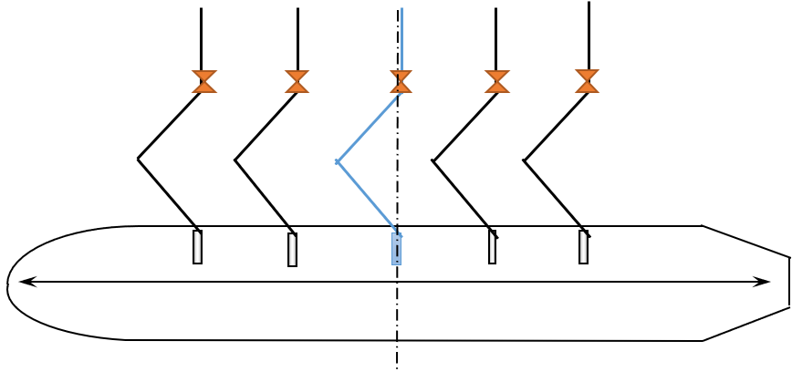
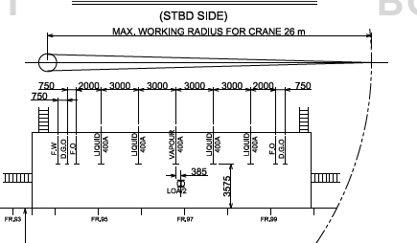
Sample
2. Unloading Arms / Manifold Layout | 1. Unloading Arms Arrangement |  |  |  |  |  |  |  |  |  |  |  |  | 1. Manifold Layout (Plan) |  |  |  |  |  |  |  |  |  |  |  |  | (unit : m)
 |  |  |  | A | B |  | E | C |  | D

 | BOW |  |  |  |  |  |  |  |  |  |  | STERN
 |  |  |  | L1 | L2 |  | V | L3 |  | L4

L1 ______L2 ________V _______ L3 _______L4
 |  |  |  |  | Vapour Arm / Vapour Manifold |  |  |  |  |  |  |  |  |  |  |  |  |  |  |  |  |  |  |  |  | **Unacceptable**
 |  |  |  |  |  |  |  |  |  |  |  |  |  | 2. Manifold Spacing (metre) |  |  |  | :
 | - Simultaneous connection of 4 Unloading Arms at Minimum Manifold Spacing |  |  |  |  |  |  |  |  |  | : | 2.5 | m
 | - Simultaneous connection of 4 Unloading Arms at Maximum Manifold Spacing |  |  |  |  |  |  |  |  |  | : | 3.5 | m

3. Unloading Performance | 1. Unloading Flow Rate (Unloading Arm) |  |  |  |  |  |  |  |  |  |  |  |  | 1. Unloading Flow Rate (Ship Manifold)
 |  |  |  |  |  |  |  |  |  |  |  |  |  | **The actual operation flow shall be following Terminal maximum capability**
 | Case | No. of Arm |  | Arm Arrangement |  |  |  |  | Maximum Flowrate (m3/hr) (Normal operating condition) |  | Maximum Manifold Pressure (barg) |  |  | Case | No. of Manifold |  | Manifold Arrangement |  |  |  |  | Maximum Flowrate (m3/hr) |  |  | Maximum Manifold Pressure (barg)
 |  |  |  | H | G | I | F | E |  |  |  |  |  |  |  |  | L1 | L2 | V | L3 | L4
 | 1 | 5 |  | O | O | O | O | O | 14,000 |  | Normal Operating 5.0 bar (Liquid ) / 0.2 bar(Vapor return) |  |  | 1 | 5 |  | O | O | O | O | O
 | 2 | 4 |  | O | O | O | O | X | 10,500 |  |  |  |  | 2 | 4 |  | O | O | O | O | X
 | 3 | 4 |  | O | O | O | X | O | 10,500 |  |  |  |  | 3 | 4 |  | O | O | O | X | O
 | 4 | 4 |  | O | X | O | O | O | 10,500 |  |  |  |  | 4 | 4 |  | O | X | O | O | O
 | 5 | 4 |  | X | O | O | O | O | 10,500 |  |  |  |  | 5 | 4 |  | X | O | O | O | O
 | 6 | 3 |  | O | O | O | X | X | 7,000 |  |  |  |  | 6 | 3 |  | O | O | O | X | X
 | 7 | 3 |  | O | X | O | O | X | 7,000 |  |  |  |  | 7 | 3 |  | O | X | O | O | X
 | 8 | 3 |  | X | O | O | O | X | 7,000 |  |  |  |  | 8 | 3 |  | X | O | O | O | X
 | 9 | 3 |  | O | X | O | X | O | 7,000 |  |  |  |  | 9 | 3 |  | O | X | O | X | O
 | 10 | 3 |  | X | O | O | X | O | 7,000 |  |  |  |  | 10 | 3 |  | X | O | O | X | O
 | 11 | 3 |  | X | X | O | O | O | 7,000 |  |  |  |  | 11 | 3 |  | X | X | O | O | O
 | 12 | 2 |  | O | X | O | X | X | 3,500 |  |  |  |  | 12 | 2 |  | O | X | O | X | X
 | 13 | 2 |  | X | O | O | X | X | 3,500 |  |  |  |  | 13 | 2 |  | X | O | O | X | X
 | 14 | 2 |  | X | X | O | O | X | 3,500 |  |  |  |  | 14 | 2 |  | X | X | O | O | X
 | 15 | 2 |  | X | X | O | X | O | 3,500 |  |  |  |  | 15 | 2 |  | X | X | O | X | O
 | 16 | 4 |  | O | O | X | O | O | 10,500 |  |  |  |  | 16 | 4 |  | O | O | X | O | O
 | 17 | 3 |  | O | O | X | O | X | 7,000 |  |  |  |  | 17 | 3 |  | O | O | X | O | X
 | 18 | 3 |  | O | X | X | O | O | 7,000 |  |  |  |  | 18 | 3 |  | O | X | X | O | O
 | 19 | 3 |  | X | O | X | O | O | 7,000 |  |  |  |  | 19 | 3 |  | X | O | X | O | O
 | 20 | 2 |  | X | X | X | O | O | 3,500 |  |  |  |  | 20 | 2 |  | X | X | X | O | O
 | 21 | 2 |  | X | O | X | O | X | 3,500 |  |  |  |  | 21 | 2 |  | X | O | X | O | X
 | 22 | 2 |  | O | X | X | O | X | 3,500 |  |  |  |  | 22 | 2 |  | O | X | X | O | X
 | Remark : |  | "O" mean use |  |  | Flowrate and pressure based on normal operation condition |  |  |  |  |  |  |  | Remark : |  | "O" mean use |  | (To be declared max flowrate with pressure 5 bars at manifolds )
 |  |  | "X" mean not use |  |  | Maximum design condition: 4,000 m3/hr per Arm |  |  |  |  |  |  |  |  |  | "X" mean not use

page 5
Confirmation List Between Ship-Shore (Berth # 1) |  |  |  |  |  |  |  |  |  |  |  |  |  |  |  |  |  |  |  |  |  |  |  |  |  |  |  |  |  |  |  | Page
 |  |  |  |  |  |  |  |  |  |  |  |  |  |  |  |  |  |  |  |  |  |  |  |  |  |  |  |  |  |  |  | 6 / 9
Items | Shore Specification |  |  |  |  |  |  |  |  |  | Ship Specification |  |  |  |  |  |  |  |  |  |  | Remarks
V. Unloading Arm / Cargo Pump / Compressor
4. Unloading Arm Working Range | 1. Working Area |  |  |  |  |  |  |  |  | (unit : m) |  |  |  |  |  |  |  |  |  |  | (unit : m) |  |  |  |  |  |  |  |  |  |  |  | (unit : m)
 | (1) Working Range of Unloading Arm |  |  |  |  |  |  |  |  |  | (1) Unloading Arm Compatibility |  |  |  |  |  |  |  |  |  |  | (2) Unloading Arm Moving Area
 |  |  |  |  |  |  |  |  |  |  |  |  |  |  |  |  | Reference Page1 Ship Major Dimensions |  |  |  |  | 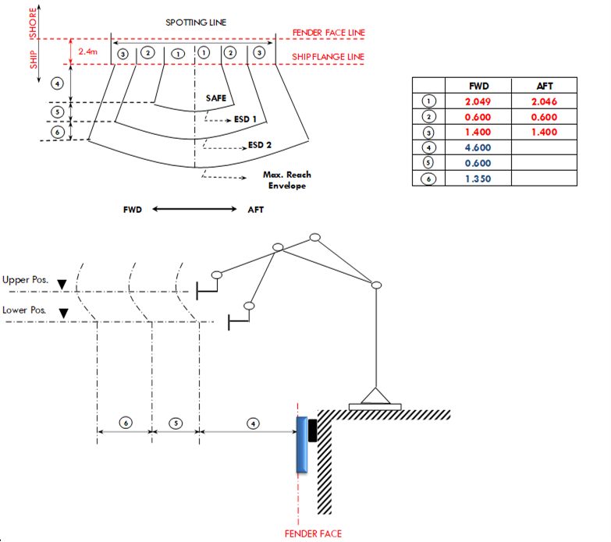
 |  | Item |  |  | From |  |  | Operation | Maximum |  |  | Manifold heigh above BL |  |  |  |  | 0.00
1
 |  | Working Range of Unloading Arm |  |  | High (above CDL) |  |  | 27.50 | 30.50 |  |  | Ballast draft |  |  |  |  | 0.00
2
 |  |  |  |  | Low (above CDL) |  |  | 17.50 |  |  |  | Loaded draft |  |  |  |  | 0.00
3
 |  | Tide Level |  |  | High (above CDL) |  |  | 3.50 |  |  |  | Safety clearance (m) |  |  |  |  | Normal |  |  | With Heave & List
4
5
 |  |  |  |  | Low (above CDL) |  |  | 0.50 |  |  |  | Upper Position |  |  |  |  | 24.00 |  |  | 23.50
6
 |  | Heave & List |  |  |  |  |  | 0.50 |  |  |  | Lower Position |  |  |  |  | -17.50 |  |  | -18.00
 |  | ※ 1. Operation : Working range of Normal without any Alarm |  |  |  |  |  |  |  |  |  | Result |  |  |  | **Unacceptable**
 |  | 2. Maximum : Working range of Maximum with Alarm
 | 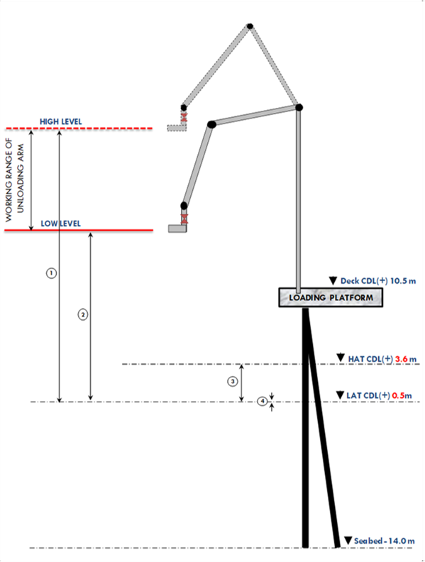 |  |  |  |  |  |  |  |  |  | 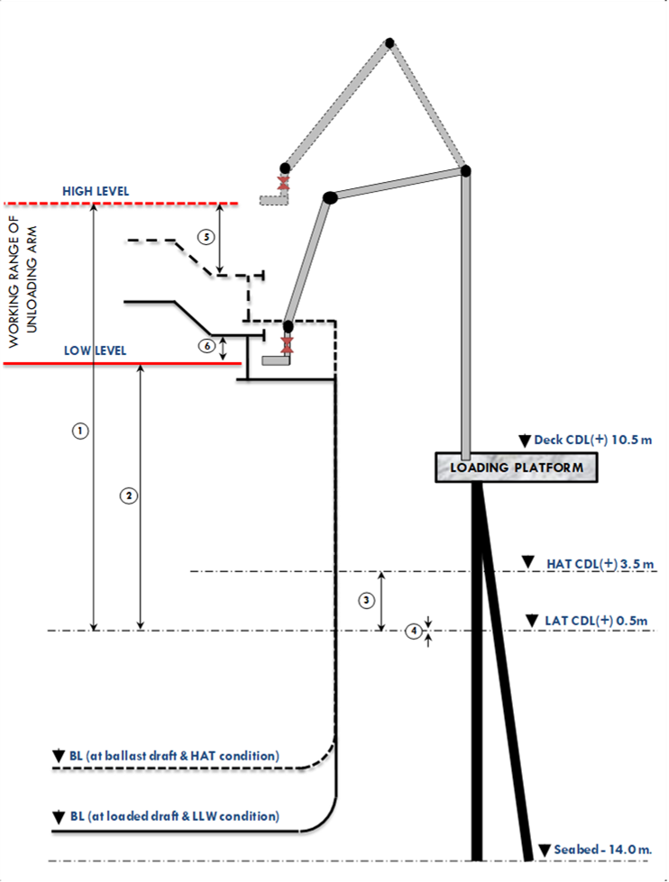

 |  |  |  |  |  |  |  |  |  |  |  |  |  |  |  |  |  |  |  |  |  | Terminal
 |  |  |  |  |  |  |  |  |  |  |  |  |  |  |  |  |  |  |  |  |  | 1. Nitrogen Air (For Unloading Arm Purging Purpose)
 |  |  |  |  |  |  |  |  |  |  |  |  |  |  |  |  |  |  |  |  |  | (1) Service Pressure |  | : | 7.0 | barg | (Max 17.2 barg)
 |  |  |  |  |  |  |  |  |  |  |  |  |  |  |  |  |  |  |  |  |  | (2) Service Point |  | : | At the APEX of all arms & lower part triple swivel assembly of liquid arms
 |  |  |  |  |  |  |  |  |  |  |  |  |  |  |  |  |  |  |  |  |  |  |  |  | **Reference Figure of Service Point

 |  |  |  |  |  |  |  |  |  |  |  |  |  |  |  |  |  |  |  |  |  | Vessel
 |  |  |  |  |  |  |  |  |  |  |  |  |  |  |  |  |  |  |  |  |  | 1. Nitrogen Air (For Manifold Purging Purpose)
 |  |  |  |  |  |  |  |  |  |  |  |  |  |  |  |  |  |  |  |  |  | (1) Will the ship provide nitrogen for line purging purpose? |  |  |  |  |  |  |  | :
 |  |  |  |  |  |  |  |  |  |  |  |  |  |  |  |  |  |  |  |  |  | 2. Fresh water (For Manifold Deicing Purpose)
 |  |  |  |  |  |  |  |  |  |  |  |  |  |  |  |  |  |  |  |  |  | (1) Will the ship provide fresh water for manifold deicing purpose? |  |  |  |  |  |  |  | :

VI. Emergency Shut Down System
1. Optical Fiber System | 1. Optical Fibre System (Primary System) |  |  |  |  |  |  |  |  |  | 1. Optical Fibre System |  |  |  |  |  |  |  |  |  |  | Table 1.Optical Fiber System Signal Arrangement (Shore Side / Ship Side)
 | (1) Manufacture |  |  | : | Trelleborg |  |  |  |  |  | (1) Manufacture |  |  | : |  |  |  |  |  |  |  | Ferrule No. | Shore Side |  |  |  |  |  | Ship Side
 | (2) Connector Type |  |  | : | FO type 6 cores |  |  |  |  |  | (2) Connector Type |  |  | : |  |  |  |  |  |  |  |  | Signal |  |  | Direction |  |  | Signal |  | Direction
 | (3) Cable Reel Position |  |  | : | 23.21 | m Aft from the Vapour Arm |  |  |  |  | (3) Connector Box Position |  |  | : |  | m from the vapour line center (Fwd = minus - /Af t= plus +) |  |  |  |  |  | 1 | Telephone Channel |  |  | Ship > Shore
 | (4) Cable Length |  |  | : | 50 | m |  |  |  |  | (4) Signal Arrangement |  |  | : | Refer to Table 1 on the right column |  |  |  |  |  |  | 2 | Telephone Channel |  |  | Shore > Ship
 | (5) Signal Arrangement |  |  | : | Refer to table 1 right side |  |  |  |  |  |  |  |  |  |  |  |  |  |  |  |  | 3 | ESD Channel |  |  | Ship > Shore
 |  |  |  |  |  |  |  |  |  |  |  |  |  |  |  |  |  |  |  |  |  | 4 | ESD Channel |  |  | Shore > Ship
2. Electric System | 1. Electric System (Secondary System) |  |  |  |  |  |  |  |  |  | 1. Electric System |  |  |  |  |  |  |  |  |  |  | 5 | Spare |  |  | Ship > Shore
 | (1) Manufacture |  |  | : | Trelleborg |  |  |  |  |  | (1) Manufacture |  |  | : |  |  |  |  |  |  |  | 6 | Spare |  |  | Shore > Ship
 | (2) Connector Type |  |  | : | Electric connector 37-way receptacle |  |  |  |  |  | (2) Connector Type |  |  | : |  |  |  |  |  |  |  | Table 2.Electric System Signal Arrangement (Shore Side / Ship Side)
 | (3) Cable Reel Position |  |  | : | 21.82 | m Aft from the Vapour Arm |  |  |  |  | (3) Connector Box Position |  |  | : |  | m from the vapour line center (Fwd = minus - /Af t= plus +) |  |  |  |  |  | Pin No. | Shore Side |  |  |  |  | Pin No. |  | Ship Side
 | (4) Cable Length |  |  | : | 50 | m |  |  |  |  | (4) Signal Arrangement |  |  | : | Refer to Table 2 on the right column |  |  |  |  |  |  | 1,2 | NOT USED |  |  |  |  | 1,2
 | (5) Signal Arrangement |  |  | : | Refer to table 2 right side |  |  |  |  |  |  |  |  |  |  |  |  |  |  |  |  | 3,4 | SPARE |  |  |  |  | 3,4
3. Pneumatic System | 1. Pneumatic System |  |  |  |  |  |  |  |  |  | 1. Pneumatic System |  |  |  |  |  |  |  |  |  |  | 5,6 | ELEC TEL HOT PHONE |  |  |  |  | 5,6
 | (1) Manufacture |  |  | : | Trelleborg |  |  |  |  |  | (1) Manufacture |  |  | : |  |  |  |  |  |  |  | 7,8 | ELEC TEL PUBLIC PHONE |  |  |  |  | 7,8
 | (2) Connector Type |  |  | : | 1/2" SNAP-TITE MALE QDC FITTING 1/2" BSPP 316 ST/ST |  |  |  |  |  | (2) Connector Type |  |  | : |  |  |  |  |  |  |  | 9,10 | ELEC TEL PLANT PHONE (PABX) |  |  |  |  | 9,10
 | (3) Cable Reel Position |  |  | : | 27.55 | m Aft from the vapour arm |  |  |  |  | (3) Connector Box Position |  |  | : |  | m aft of the vapour line center (Fwd = minus - /Af t= plus +) |  |  |  |  |  | 11,12 | NOT USED |  |  |  |  | 11,12
 | (4) Cable Length |  |  | : | 50 | m |  |  |  |  | (4) Air Pressure |  |  | : |  | barg |  |  |  |  |  | 13,14 | SHORE TO SHIP ESD |  |  |  |  | 13,14
 | (5) Cable Type |  |  | : | Anti-static Pneumatic Hose |  |  |  |  |  | 1. "ESD 1" Activated By |  |  |  |  |  |  |  |  |  |  | 15,16 | SHIP TO SHORE ESD |  |  |  |  | 15,16
 | (6) Air Pressure |  |  | : | 10 | bar |  |  |  |  |  |  |  |  |  |  |  |  |  |  |  | 17,18 | UMBILICAL CONTINUITY LINK |  |  |  |  | 17,18
4. ESDS Activation | 1. "ESD 6" Activated By |  |  |  |  |  | 2. "ESD 5" Activated By |  |  |  |  | (1) | : |  |  |  |  | (10) | : |  |  | 19,20 |  |  |  |  |  | 19,20
 | (1) Manual Activation |  | (2) Autometical Activation |  |  |  | (1) Manual Activation |  |  |  |  | (2) | : |  |  |  |  | (11) | : |  |  | 21,22 | SPARE |  |  |  |  | 21,22
 | - | CCR | - | Ship over movement |  |  | - | CCR |  |  |  | (3) | : |  |  |  |  | (12) | : |  |  | 23,24 | SPARE |  |  |  |  | 23,24
 | - | JCR | - | LNG tank level/pressure HH |  |  | - | JCR |  |  |  | (4) | : |  |  |  |  | (13) | : |  |  | 25,26 | SPARE |  |  |  |  | 25,26
 | - | Ship | - | ESD from ship |  |  | - | Ship |  |  |  | (5) | : |  |  |  |  | (14) | : |  |  | 27,28 | SPARE |  |  |  |  | 27,28
 | - | ISB | - | Power failure |  |  | - | ISB |  |  |  | (6) | : |  |  |  |  | (15) | : |  |  | 29,30 | IS POWER FOR SHORE ETU |  |  |  |  | 29,30
 | - | F&G activation | - | Instrument Air failure |  |  |  | F&G activation |  |  |  | (7) | : |  |  |  |  |  |  |  |  | 31,32,33 | RS232 INTERFACE (FOR MLM) |  |  |  |  | 31,32,33
 | remark : on F&G alarm detection, Loading Master and Chief Officer must confirm gas release before activating fire/ESD response. |  |  |  |  |  | (2) Autometical Activation |  |  |  |  | (8) | : |  |  |  |  |  |  |  |  | 34 | RS232 INTERFACE (FOR MLM) |  |  |  |  | 34
 |  |  |  |  |  |  | - | Ship over movement |  |  |  | (9) | : |  |  |  |  |  |  |  |  | 35,36 | RESERVED FOR SHIP ETU |  |  |  |  | 35,36
 |  |  |  |  |  |  |  |  |  |  |  |  |  |  |  |  |  |  |  |  |  | 37 | SPARE |  |  |  |  | 37

Appendix B
Appendix B : Spool Piece Drawing

 | Terminal
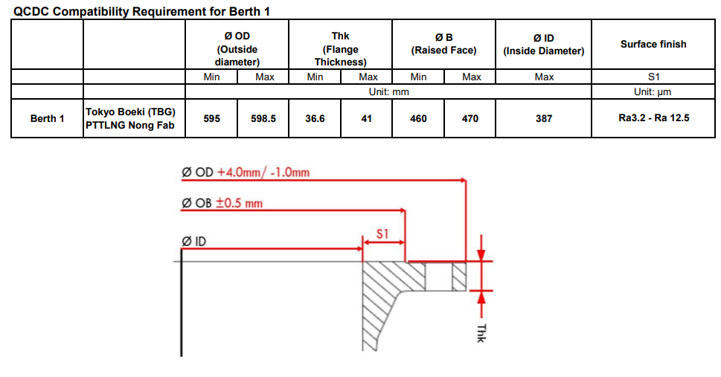

 | Ship

 | SDPs on board of

 | Outside diameter | : | mm |  | **Unacceptable**

 | Flage Thickness | : | mm |  | **Unacceptable**

 | Raised Face | : | mm |  | **Unacceptable**

 | Inside Diameter | : | mm |  | **Unacceptable**

 | Surface Finish | : | Max | Ra | **Unacceptable**
 |  |  | Min

 | Actual SDP on board (STB) | : | Units

 | *Remark* The SDP or RDP onboard (shore side) must be RAISE FACE TYPE ONLY!

 | The number of unloading arm will be connected: 4L - 3L - V - 2L - 1L

